Logical Diagram
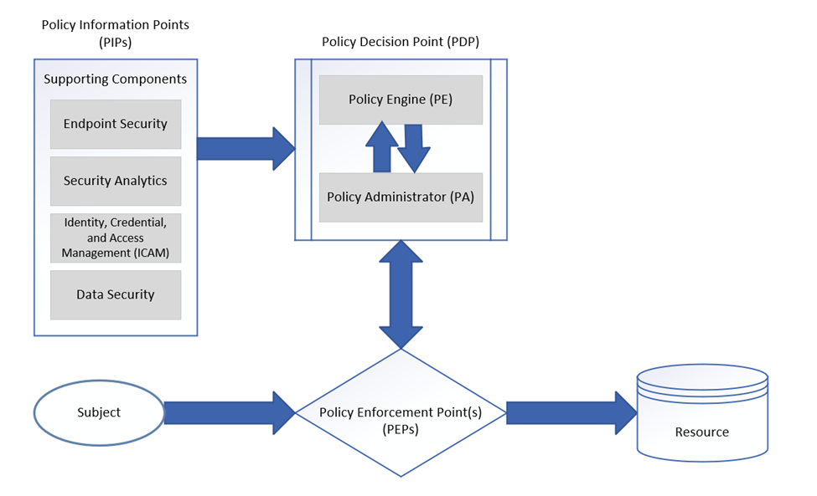 Zero Trust aligns with NIST Cybersecurity Framework and offers a strategic approach to managing and reducing cybersecurity and privacy risks. The following outlines the logical elements of the Zero Trust Architecture (ZTA).

