7. IT Security Spend Glossary
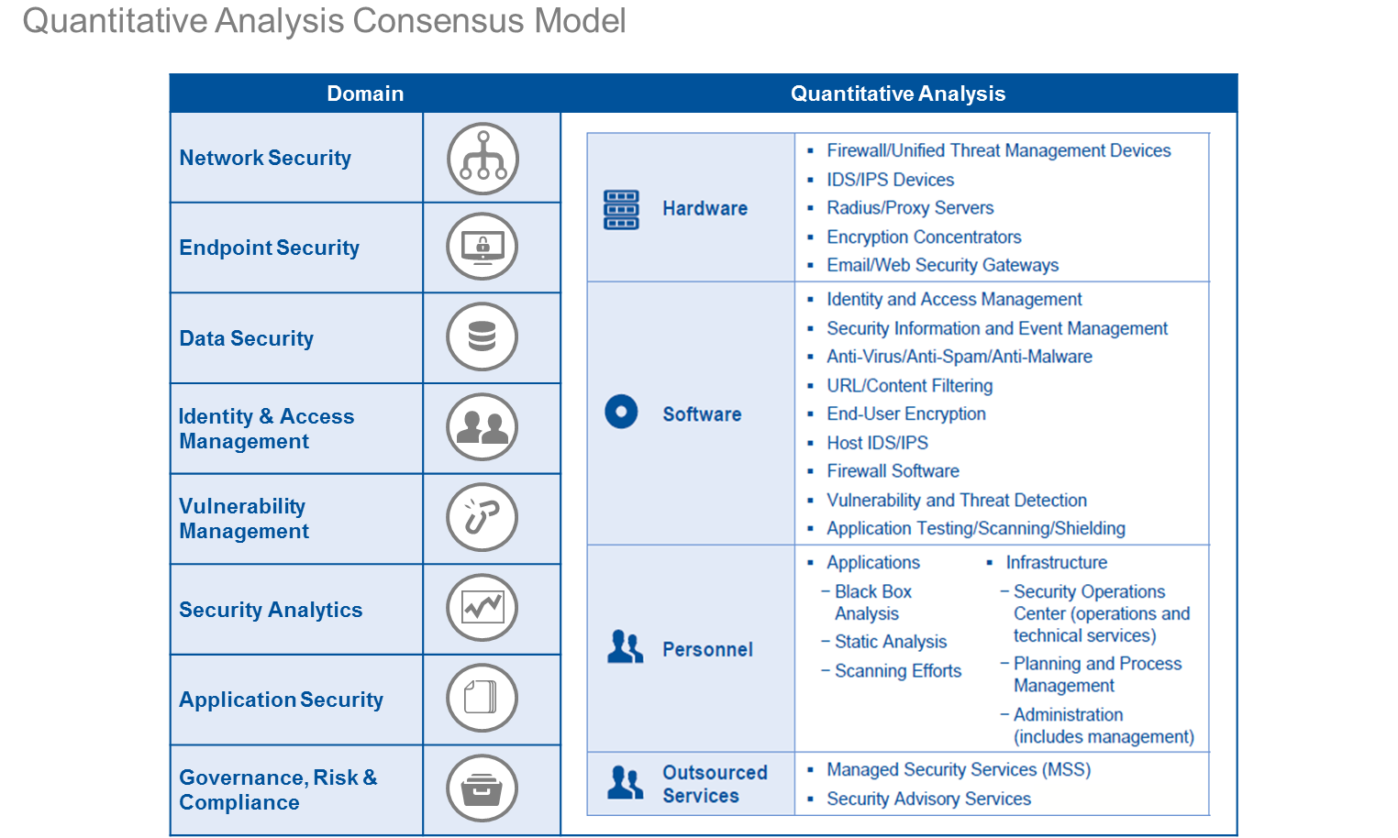
IT Security Domain Definitions:

Network Security:
Protecting computers and computer networks from attack and infiltration. Network security provides network protection through the restricting of network traffic, based on a set of policy defined rules. Network security provides protection at key ingress and egress points in the form of perimeters, segments and zones, typically defined and enforced by firewalls/NGFWs/firewall administration, Wireless Access Firewalls (WAF)s / RASP, Network Intrusion Detection & Prevention (NIDS and NIPS), Virtual Private Networking (VPN) concentrators, Hardware Security Modules (HSMs), Proxy Servers, Secure Email and/or Web Gateways, Unified Threat Management (UTM) appliances, Network Access Control (NAC) services, and Distributed Denial of Service (DDoS) protection and prevention services.
Endpoint Security:
Covers the security services, capabilities and associated management and support thereof used in the protection of all end point devices such as desktops, servers, laptops and mobile devices which users leverage to access corporate data and information. Specific examples would typically include anti-virus/anti-spyware/anti-malware software on PCs and servers, mobile device management (MDM), device encryption and management, Host Intrusion Detection & Prevention (HIPS), hardware based protection (e.g. personal firewalls), advanced anti-malware and threat detection software and also any physical security control in place for these assets (e.g. locks.)
Data Security:
The means of ensuring that data has the adequate protection afforded to it in terms of keeping it safe from corruption, and loss, and that access to it is suitably controlled. Typical data protection capabilities: data discovery & classification, encryption/decryption of data "at rest", "in motion" or "in use" (incl. endpoint & bulk storage data encryption/decryption), digital certificate lifecycle management for digital signature based services, privacy enforcement techniques (data masking), database audit and protection (DAP) techniques, data loss prevention (DLP) services and data destruction, removal and erasure type services.
Identity & Access Management:
The set of practices, processes and technology responsible for the management of digital identities and their associated access to resources. Specific Identity & Access Management (IAM) related activities are: user account provisioning, password management, user access administration (e.g. changes in roles, position or status(JML)), directory integration, single sign-on (SSO), Active Directory, remote access services, strong or multi factor authentication / two-factor (2FA) / three-factor (3FA), hard and soft token based authentication services, Public Key Infrastructure (PKI) and Federation type services, privileged user management (PUM), Identity and access governance (IAG) (inclusive of the processes for user access certification / re-certification, attestation, application access audits etc.), and cloud based identity services (e.g. IDaaS)
Vulnerability Management:
The proactive identification and remediation of security vulnerabilities via dedicated vulnerability assessment and management products and services. These services typically scan enterprise networks (IP ranges) and establish a baseline and trending of vulnerability status of devices, applications and databases; identify and report on the security configuration of IT assets; discover unmanaged assets; support specific compliance reporting and control frameworks; support risk assessment and remediation prioritization; and support remediation by IT operations groups. which involves scanning (through resident agents on network-attached devices) of all internal and external facing target applications or devices for vulnerabilities, to determine if they are at latest available historic patch level. Service typically also includes periodic penetration testing, vulnerability assessments, asset auto discovery, generation of patch and vulnerability status compliance reports, vulnerability monitoring, and ticket raising.
Security Analytics:
Security analytics are essentially a set of services delivered by a Security Operations Centre (SOC) or equivalent capability consisting of a centralized focal point of security specialists where enterprise information systems (web sites, applications, databases, data centres and servers, networks, desktops and other endpoints) are monitored, assessed, and defended, and action plans devised to counter any undesirable events detected. Typical security analytics services include security incident and event log collection, monitoring & management (SIEM), managed log retention & analysis, user behaviour analytics (UBA), threat intelligence services, fraud detection and response services, digital forensics and cyber incident response services.
Application Security:
Comprised of measures built into the development process to prevent the unauthorized access, theft, modification of or erasure of sensitive data through the exploitation of applications. Specific examples: the identification of security flaws in application design, development, deployment, upgrade, or maintenance through code assurance techniques such as black box analysis and testing, health checks, the use of static & dynamic application testing techniques (SAST/DAST/IAST) and application security frameworks, and/or via data obfuscation, filtering & masking, secure coding practices and software composition analysis (SCA) etc.
Security Governance:
Defined generally as "cross-functional" security activities including the development and maintenance of security policies, standards & procedures, the communication of business values, culture & principles, security strategy & organization, training & awareness, documentation & guidance, communication plans, security service metrics, audit and compliance oversight, financial management of security services, security vendor management, security Project Management etc. Governance costs and staffing include the strategic leadership of security standards, policies and practices, typically represented by the CISO or equivalent, and his immediate office.
Risk Management:
The function dedicated to ensuring that adequate controls are designed and implemented to mitigate the various risks associated with IT assets (including data), infrastructure, and processes. It includes activities such as periodic and annual IT audits (non-regulatory), risk assessment / monitoring, issue management & action tracking, and the development and execution of remediation plans. [NOTE: This category excludes all items in the above IT Infrastructure Security, Applications Security, Security Governance or Compliance Management (below) categories.]
Compliance Management:
The process of identifying, managing and reporting compliance activities related to organizational, commercial and regulatory compliance obligations. Compliance requirements can be derived from internal directives, procedures and requirements, or from external laws, regulations, standards and contractual agreements.

IT Security Cost Category Definitions:

IT Security Hardware
Report hardware annual expense, lease, maintenance and installation for all dedicated hardware assets utilized in support of security operations. Examples include firewalls, security gateways, security appliances and ID tokens, proxy servers and email/web security gateways.
IT Security Software
Report annual license and maintenance costs associated with new purchases and upgrades, for all software dedicated to managing the security system applications. Examples include endpoint security suites, identity and access management software, firewall software, end-user encryption software, URL/content filtering and anti-virus software.
IT Security Personnel Years
Report of estimated costs for personnel whose roles and duties are specifically supporting information security activities such as security operations and infrastructure, incident management, analysis and remediation, and security compliance (fractional units may be provided).
IT Security Contractor Personnel (Subset of overall Outsourced Services/Consulting)
Report the cost of contracted personnel who perform security related duties on premises such as network monitoring, security hardware or software maintenance, patching, or other security related duties.
IT Security Training (Subset of overall Outsourced Services/Consulting)
Report the cost of specific security training (non-departmental), other than the annual all employee security awareness training, on specific security topics such as ethical hacking, network security, security essentials, network penetration, or professional security certifications.
IT Security Services (Subset of overall Outsourced Services/Consulting)
Report the cost of outsource services such as monitoring or managing of security devices, remote or subscription-based monitoring, management of firewalls and/or intrusion detection and prevention, advisory services that help analyze and improve security strategy and operations, security consulting, and security advisory services.
...

